Cover Sheet
Please do not edit the cell names on this worksheet.
Other worksheets in this workbook are linked to the cell names.
The information and reference on this sheet are samples. User to include information relevant to the individual project.
Calculation Cover Sheet
Customer |  | customer name |  |  | Proj No | proj no
Project Title |  | proj title |  |  | Calc No | 650100-PR-CAL-0004
Please do not select the Spreadsheet Flow Induced Turbulence when doing multiple print to avoid rearrangement of macros.
Calculation Title |  | Vibration Assessment-Flow Induced Turbulence Template |  |  | Phase/CTR | phase
Elec File Location |  | https://pdomobility-my.sharepoint.com/personal/lakshmanan_lk_krishnamurthy_pdo_co_om/Documents/Lakshman/atmct2/KS-PR-CAL-0086 Vibration Assessment - Flow Induced Turbulence Calculation.xlsm
 |  |  |  |  | Page | 1 | of | #pages
Calculation Objective
The objective of this calculation is to determine the main line likelihood of failure (LOF) for vibration induced fatigue due to flow induced turbulence.

Calculation Method
The LOF calculation methodology is based on Energy Institute guidelines for the avoidance of vibration induced fatigue in process pipework (Ref. 1, Technical Module T2.2). See "Methodology" section for a detailed description of the calculation methodology. Additional guidance is provided in WorleyParsons Design Guide: "Avoidance of Vibration Induced Fatigue Failure in Process Pipework" (Ref. 2)

Assumptions
1. System under consideration is a new design, part of an existing plant or change to existing plant that may exhibit or result in flow induced turbulence (Ref. 1, Tables T1-1 & T1-5). 2. In accordance with the Energy Institute (Ref. 1) procedure, the FIT spreadsheet is limited to a main line size with maximum external diameter of 762mm (NPS - 30inches).

Software Used
Title |  |  |  |  | Version | Validation (Y / N / N/A)

References
1. "Guidelines for the Avoidance of Vibration Induced Fatigue Failure in Process Pipework" Energy Institute, 2nd Edition,January 2008 2. "Avoidance of Vibration Induced Fatigue Failure in Process Pipework", 650100-PR-DEG-0004, WorleyParsons Design Guide, Rev 0, November 2016

Conclusions

Related to a Safety Critical System? |  |  | No | Status of Supplier Data used |  | N/A
HOLDS

rev3 | date3 | desc3 |  | by3 | chkd3 |  | app3
rev2 | date2 | desc2 |  | by2 | chkd2 |  | app2
rev1 | date1 | desc1 |  | by1 | chkd1 |  | app1
Rev | Date | Description |  | By | Checked |  | Approved
This Calculation represents the work of Worley performed to recognized engineering principles and practices appropriate for the terms of reference provided by Worley contractual Customer. This Calculation is confidential and prepared solely for the use of the Customer. The contents of this Calculation may not be disclosed to or relied upon by any party other than the Customer, and neither Worley, its subconsultants nor their respective employees assume any liability for any reason, including, but not limited to, negligence, to any other party for any information or representation herein.

P8-Methodology
Calculation Sheet
Customer |  |  |  |  | customer name |  |  |  |  |  |  | Proj No |  |  | proj no
Project Title |  |  |  |  | proj title |  |  |  |  |  |  | Calc No |  |  | 650100-PR-CAL-0004
Calculation Title |  |  |  |  | Vibration Assessment-Flow Induced Turbulence Template |  |  |  |  |  |  | Phase/CTR |  |  | phase
Elec File Location |  |  |  |  | https://pdomobility-my.sharepoint.com/personal/lakshmanan_lk_krishnamurthy_pdo_co_om/Documents/Lakshman/atmct2/KS-PR-CAL-0086 Vibration Assessment - Flow Induced Turbulence Calculation.xlsm
 |  |  |  |  |  |  |  |  |  |  |  |  |  | Page |  |  | of |  | #pages
Rev |  | Date |  | By |  | Checked |  | Rev | Date | By | Checked |  | Rev | Date |  | By |  | Checked
rev1 |  | date1 |  | by1 |  | chkd1 |  | rev2 | date2 | by2 | chkd2 |  | rev3 | date3 |  | by3 |  | chkd3

 | 4.0 |  | Methodology |  |  |  | Cont'd
 | Standard Assessment for Flow Induced Turbulence
 | 1. Determine ρn2

 | 2. Determine Fluid Viscocity Factor FVF

 | For liquid and multiphase fluids; FVF = 1

 | 3. Determine Support Arrangement
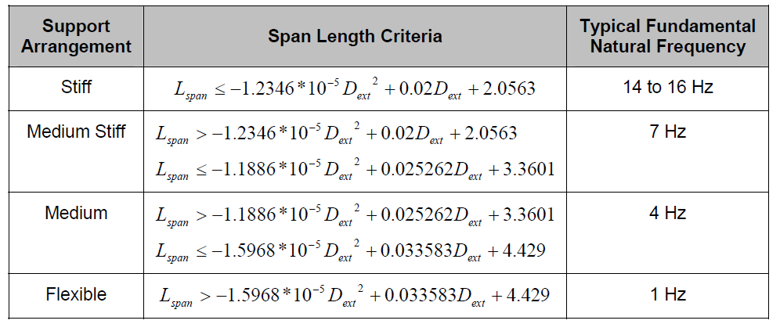

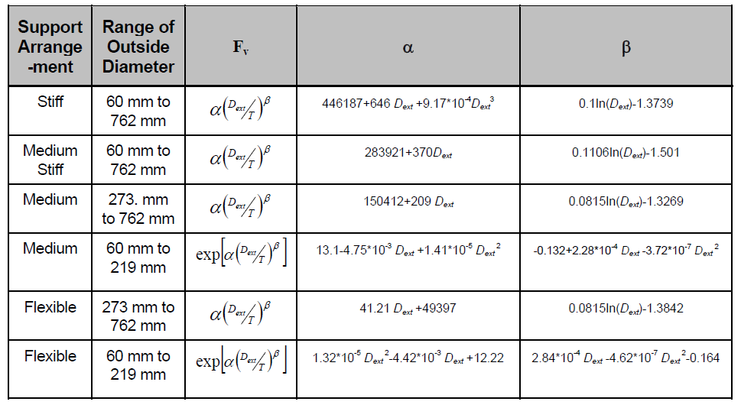
 | 4. Determine the Flow Induced Vibration Factor, Fv

 | 5. Calculation of Likelihood of Failure (LOF)

This Calculation represents the work of Worley performed to recognized engineering principles and practices appropriate for the terms of reference provided by Worley contractual Customer. This Calculation is confidential and prepared solely for the use of the Customer. The contents of this Calculation may not be disclosed to or relied upon by any party other than the Customer, and neither Worley, its subconsultants nor their respective employees assume any liability for any reason, including, but not limited to, negligence, to any other party for any information or representation herein.

P9-Summary
You may reproduce this sheet for more cases.
Calculation Sheet
Customer |  |  |  |  | customer name |  |  |  |  |  |  |  | Proj No |  |  | proj no
Project Title |  |  |  |  | proj title |  |  |  |  |  |  |  | Calc No |  |  | 650100-PR-CAL-0004
Calculation Title |  |  |  |  | Vibration Assessment-Flow Induced Turbulence Template |  |  |  |  |  |  |  | Phase/CTR |  |  | phase
Elec File Location |  |  |  |  | 0
 |  |  |  |  |  |  |  |  |  |  |  |  |  |  | Page |  |  | of |  | #pages
Rev |  | Date |  | By |  | Checked |  | Rev | Date | By |  | Checked |  | Rev | Date |  | By |  | Checked
rev1 |  | date1 |  | by1 |  | chkd1 |  | rev2 | date2 | by2 |  | chkd2 |  | rev3 | date3 |  | by3 |  | chkd3

 | 6.0 |  | Summary

 |  |  |  |  |  |  | Case I |  |  |  | Case II |  |  |  |  | Case III |  |  |  |  | REF.
 | Input Data
 | Fluid Phase |  |  |  |  |  | Gas
 | Main Line Ext. Diameter (Dext) |  |  |  |  | mm | 114.3
 | Main Line Thickness (T) |  |  |  |  | mm | 6.02
 | Main Line Int. Diameter (Dint) |  |  |  |  | mm | 102.26
 | Max. Span Length (Lspan) |  |  |  |  | m | 4
 | Gas Dynamic Viscosity (μgas) |  |  |  |  | Pa.s | 0.00002
 | Vapour Density (ρgas) |  |  |  |  | kg/m3 | 5
 | Gas Mass Flowrate |  |  |  |  | kg/hr | 20000
 | Liquid Mass Flowrate |  |  |  |  | kg/hr | N/A

 | Main Line Actual Natural Frequency (fn) |  |  |  |  |  | N/A

 | Results
 | Fluid ρn2 |  |  |  |  | kg/ms2 | 91511
 | Support Arrangement |  |  |  |  |  | Stiff
 | Fluid Viscosity Factor (FVF) |  |  |  |  |  | 0.141
 | Flow Induced Turbulence Vibration Factor (Fv) |  |  |  |  |  | 36858

 | Standard Assessment LOF |  |  |  |  |  | 0.35

 | Advanced Screening Fv |  |  |  |  |  | N/A

 | Advanced Screening LOF |  |  |  |  |  | N/A

 | The case data are inputted into the validated Flow Induced Turbulence spreadsheet in Appendix A
 | to generate the results.

This Calculation represents the work of Worley performed to recognized engineering principles and practices appropriate for the terms of reference provided by Worley contractual Customer. This Calculation is confidential and prepared solely for the use of the Customer. The contents of this Calculation may not be disclosed to or relied upon by any party other than the Customer, and neither Worley, its subconsultants nor their respective employees assume any liability for any reason, including, but not limited to, negligence, to any other party for any information or representation herein.

Flow Induced Turbulence
To copy this sheet please ONLY use Edit or Move/Copy Sheet.
You may consider a blank template for use as appendix if the project template is different from this global template.
 | Flow Induced Turbulence

 | Project : | Customer : | Project No :
 |  |  | By : | Date :
 |  |  | Calc No. : | Checked :
Please do not select this Spreadsheet when doing multiple print to avoid rearrangement of combo selection box.
1 | Line\Unit Number | Example 1 | Example 2 | Example 3
2 | Phase
3 | Main Line NPS (inch)
4 | Main Line Schedule
5 | External Diameter of main line (Dext) (mm) | 168.3 | 406.4 | 711.2
6 | Wall thickness of the main line (T) (mm) | 21.946 | 7.925 | 12.700
7 | Internal Diameter of main line (mm) | 124.38 | 390.55 | 685.80
8 | Dext Manual Input (mm) |  | 168.3
9 | T Manual Input (mm) |  | 21.950
10 | Main Line Int. Diameter Manual Input (mm) |  | 124.38
11 | Nominal Main Line Wall Thickness (mm) | 7.112 | 12.7 | 0
12 | Manual Input Nominal Thickness (mm) |  | 7.112
13 | Max. Span Length (Lspan) (m) | 4.0 | 10.0 | 15
14 | Gas Dynamic Viscosity (μgas) (Pa.s) | 0.00002 |  | 0.00002
15 | Liquid Density (ρliq) (kg/m3) | 966 | 966 | 966
16 | Vapour Density (ρgas) (kg/m3) | 5 |  | 18
17 | Gas Mass Flowrate (kg/hr) | 20000 |  | 53482
18 | Liquid Mass Flowrate (kg/hr) |  | 150000 | 828796
19 | Gas Volumetric Flowrate (m3/hr) | 4000.00 |  | 2971.22
20 | Liquid Volumetric Flowrate (m3/hr) |  | 155.29 | 858.00
21 | Fluid Velocity (n) (m/s) | 91.44 | 4.20 | 2.88
22 | Single Phase ρn2 (kg/ms2) | 41807 | 17040
23 | Multi Phase ρn2 (kg/ms2) |  |  | 1910
24 | Fluid Viscosity Factor (FVF) | 0.141 | 1.000 | 1.000
25 | Support Arrangement Stiffness | Stiff | Medium Stiff | Medium Stiff
26 | Support Arrangement (Dext Range)
27 | a | 559280 | 13 | 547065
28 | b | -0.86 | -0.12 | -0.77
29 | Fv | 96735 | 2226 | 24195
30 | Likelihood of Failure (LOF) | 0.06 | 7.65 | 0.08
31
32 | Main Line Actual Natural Frequency (fn) (Hz) | 2 | 4 | 2
33 | Advanced Screening α |  | 14
34 | Advanced Screening β |  | -0.10
35 | Advanced Screening Fv |  | 8901
36 | Refined LOF |  | 1.91
37

